Foglio1
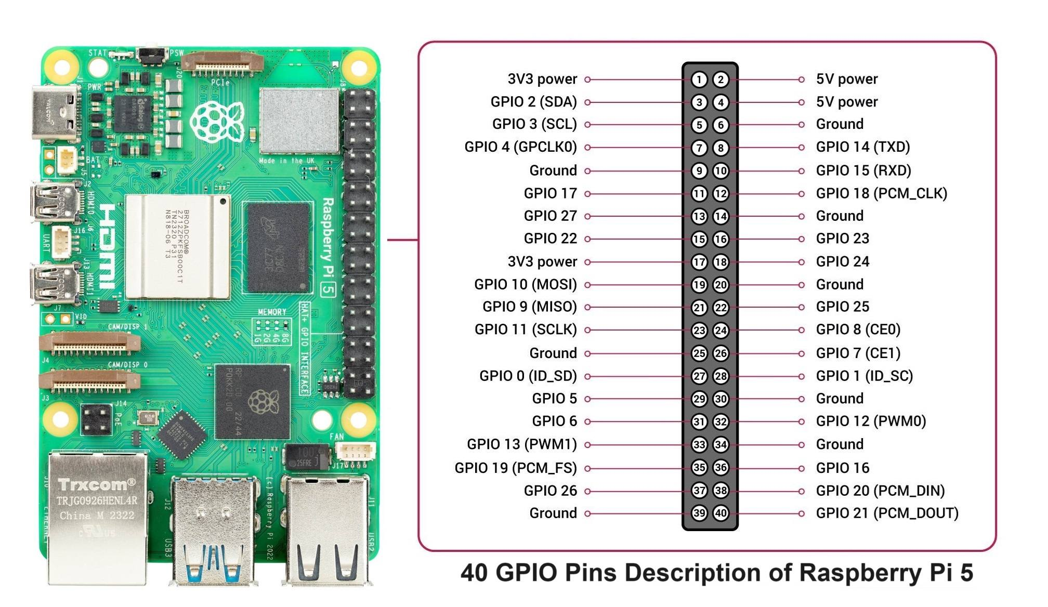

1 | 3.3V power |  | 2
3 | SDA (LCD) - e1 | 5V power | 4
5 | SCL(LCD) - e2 | Ground 5V | 6
7 |  |  | 8
9 | Ground 3.3V |  | 10
11 | GPIO 17, PIR - e5 |  | 12
13 | GPIO 27, echo (distance) - e9 |  | 14
15 | GPIO 22, trig (distance) - e10 | GPIO 23, button - e15 | 16
17 |  | GPIO 24, temp & hum - e20 | 18
19 |  |  | 20
21 |  | GPIO 25, Led1 ICE | 22
23 |  | GPIO 8, Led1 R_WE - j55_56 | 24
25 |  | GPIO 7, Led1 G_WE - j53_54 | 26
27 |  |  | 28
29 | GPIO 5, Led1 R_NS - j48_49 |  | 30
31 | GPIO 6, Led1 G_NS - j46_47 | GPIO 12, Led2 R_WE | 32
33 |  |  | 34
35 |  | GPIO 16, Led2 G_WE | 36
37 |  | GPIO 20, Led2 R_NS | 38
39 |  | GPIO21, Led2 G_NS | 40

